Directory
Directory

 | 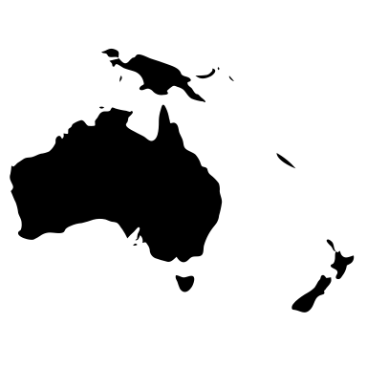 |  |  |  |  |  |  | 
 | Australian & New Zealand HEPs |  | International good practice |  | Methodology |  | Additional information
 |  | Primary audit |  | Secondary audit |  | Methodology |  | Additional information

